Overview
 | GDPR Dashboard | GDPR Compliance Cockpit | GDPR Application Tracker
RITA CR | 27 -> 114 | 15 -> 108 | 53 -> 140
Req. Owner | Evgeny Popov | Alessio Gatti | Luca Marotta
STATUS | Requirements started | Requirements 80% done, Design and Implementation started | Waiting for UAT
Purpose | Analysis of content and status of a certain scope. Enable flexible data analysis of raw data from OneTrust, for Cluster Team Members potentially on a daily basis during certain times of the year Enrich OneTrust data with additional calculations (e.g. Calculation status - exmpl tbc compliance control in scope status) that do not come out the box Filter for a certain data scope to share with action owners or in case of an event (e.g. Audit), export into Excel Everytime sb needs to look at a subset of data vs individual records Covering all organizations - SMO and GBS and GBUs | Regular compliance reporting, drive closure of open items across all organizations See metrics and be able to drill down into the gaps Covering ROPAS (OT) and tbc. When Data Assets (Mega - Group 1 and 2 apps only tbc) | Regular compliance reporting, drive closure of open items across all organizations See metrics and be able to drill down into the gaps Covering ROPAS (OT) and tbc. When Data Assets (Mega - Group 1 and 2 apps only tbc)
Audience | GDPR Lawyers, GDPR Core Team, Cluster Team Members and all other GDPR Stakeholders | Cluster Leads and Team Members, GBU And GBS SPOCs, GDPR Core Team, GDPR Lawyers | GBS Service Line SPOCs and GDPR Core Team
 | Details | Details | Details
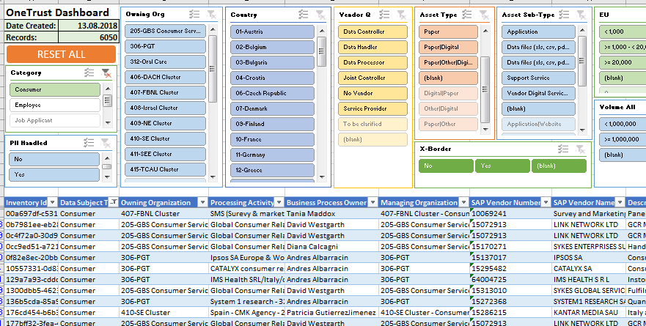
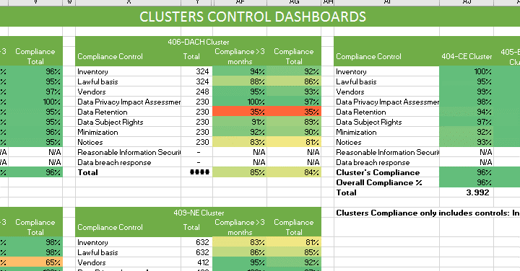
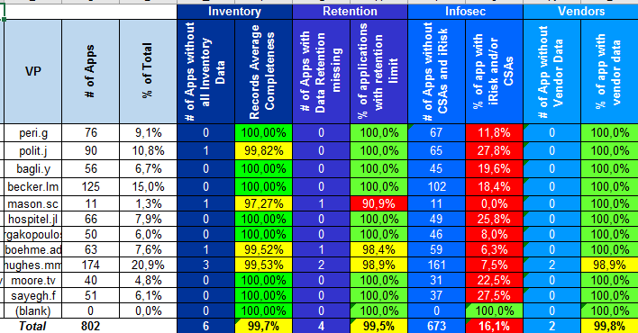

OUT OF SCOPE |  | DPIA: potential interface from Archer to RITA | Infosec logic on assessment completed/ control remediated (will be coming from Rastkos file) Phase 2: all system owners and ROPA owners tbc. - offer also for SMOs and GBUs ROPA Quality Checks - Alessios report
ASSUMPTION | OT API stabilized cluster/ suborganization data model and naming confirmed | OT API stabilized cluster/ suborganization data model and naming confirmed | Owning Organization assignment ready for use

Details Infosec - Luca
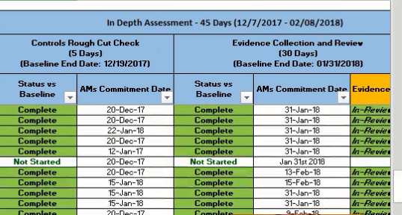
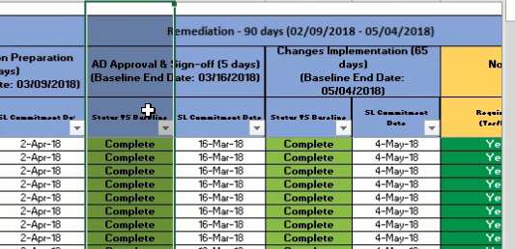
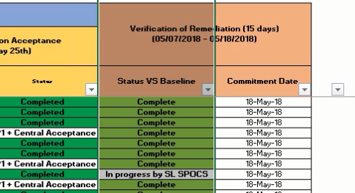
 |  |  | All of this may be fully covered by the iRisk process and reporting going forward
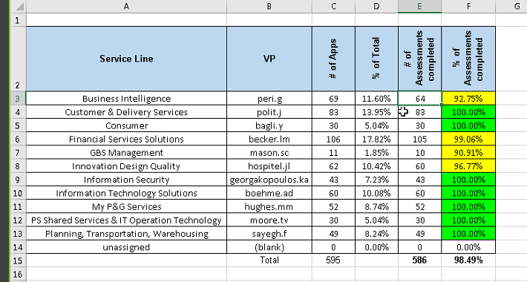
Infosec Group 2/3/4
 | Dashboard like shown on the right, with drill-down capability
 | # of Apps: from filtered VP tracker exlcuding additional ones (lifecycle status Sunset/retired), then looking for # Assessemnts completed
 | # of Assessments Completed: GDPR Sharepoint - GBS IT - Infosec - files with the name of a MegaHexID (does the file exist or not - Rough Cut); also some exception flag (no assessment needed e.g in case recent iRISK done) also inspect content of files to assess status of details
 |  | RITA will receive a file from GDPR project which includes this logic (weekly) |  |  | also allow to see those which are not complete:

Infosec Group 1
 | GDPR Execution Tracking and Reporting GBS v3.xls (Infosec SP) |  |  | (was a one-off project FY1718 with 6 applications left over (3 in GBS))
 | We need a report with the following information per Group 1 app:
 |  | Rough Cut Complete - Assessment Done |  |  | drill down:
 |  | Evidence Collection
 |  | AD Approal and sign-off - Risk Assessment
 |  | Verification of Remediation (TISL confirms compliance)
 | Watchout: short-term vs mid-term data source
 |  | Data Sources is tbd (Luca/ Hans)
 |  | Ongoing process (iRisk) tbc, but currently it's a manually maintained Excel file
 |  | TBc: what about non-GBS applications?

What is required for Group 1 reporting out of RITA
Select all group 1 applications out of VP tracker (ie the apps scope for the report)
Apply same logic as for group 2-3-4 on further filtering on lifecycle (ie exclude discovery, sunset, decommissioned etc…see email to Rasko for confirmation)
For each group 1 application (column B,C in attachment) report the following columns (as in attached xls, but simplified):
“Controls Rough Cut Check” (ie “CSC assessment status”): complete/wip/not started/not applicable (column “R”)
“Evidence collection & Review”: complete/wip/not started/not applicable (column “T”) – nice to have
“Non-Remediation Acceptance”: complete/wip/not started/not applicable (column “AG”)
“Verification of Remediation” (ie CSC compliance status): complete/wip/not started/not applicable (column “AI”)
Additionally, RITA must be able to aggregate the apps by service line/VP and report % of “complete” status for each of the 4 measures above (similar cockpit as Rastko’s one for Group 2-3-4 apps InfoSec report)

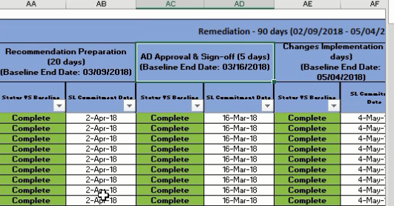
How to provide the raw data to RITA:
One-off: do a one-off load of the 88 applications that were in the scope of last FY CF infosec project (using the attached xls report)
Ongoing: for new group 1 apps (which will come up in the VP tracker report).
Short term solution: define a standard template for ongoing upload into RITA and set up a process with
SL SPOCs: to check the iRisk completion status of the new apps
Rastko: to get the standard template populated
Short term process on a regular frequency (weekly or up to monthly, based on how often we have new group 1 apps tbd)
Plan for later: Work with iRisk team to create the interface to get the same raw data for RITA as per above tracker. Involve also Troy for architecture decisions (example pre-filter the GDPR relevant apps in iRisk or in RITA? Prefilter the relevant lifestages in iRisk or Rita?) – Luca for now. New PM as it comes

Design Inventory Details GBSIT
 | INVENTORY DETAILS
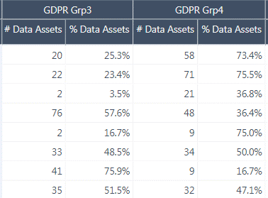

 |  |  |  |  |  |  |  |  |  |  | ... | build on existing VP Tracker report page!
 |  |  |  |  |  |  |  |  |  |  |  | Any click on an area in the upper visual will result in selected scope display in the lower visual (details table)
 |  |  |  |  |  |  |  |  |  |  |  | All scope: default and easy to acces (click on total)

 |  |  |  |  |  |  |  | Columns in details table: see sequence below
 |  |  |  |  |  |  |  | Highlight gaps (as reflected in % completeness) in red

Update Oct 24
 |  |  | Total Applications | Average Completeness of Records [Numer of Apps | % Data Field Completeness] |  | ... | ... |  | Inventory Gaps
 | Owning Org* | Owning Org Leader | # | % | # | % | … | … | # | %
 | FSS | Laura Becker | 132 | 15.60% | 124 | 98.60% |  |  | 8 | 6.10%
 | … | … | … | … | … | … | … | … | … | …

* | whitelisted which to filter + Unknown = where empty in Mega!

 | Details Table - Column Sorting/ Grouping:

 | Data Asset Name
 | Mega ID
 | COMPLETENESS % | important classifications
 | L1 Organization Leader
 | Owning Organization
 | GDPR GROUPING
 | Description Details | inventory information mostly used to assess % completeness
 | Application Nature
 | Data Asset Type [translated from Nature]
 | Data Asset Lifecycle Status
 | Hosting Type
 | P&G Asset Owner
 | Vendor Application Manager
 | Vendor Qualification [Data Controller]
 | Service Operations Supplier
 | Service Operations Supplier SAP Code
 | Software Supplier
 | Software Supplier SAP Code
 | Technology Supplier
 | Technology Supplier SAP Code
 | Implementation Supplier
 | Implementation Supplier SAP Code
 | Other Suppliers
 | Other Suppliers SAP Code
 | PII data handled by vendor for specific Business Process / Service
 | Data Category
 | In which country are you collecting PII?
 | Business Process / Service - P&G Hierarchy
 | Contractual Data: What are the LE(s) receiving the services?
 | Is the PII data accessed, processed, viewed outside of EU?
 | Reason for Data Collection
 | Data Retention Period (Actual policy which is in place)
 | Number of P&G Users with Access
 | Number of 3rd Party Users with Access
 | Volume of Records - for data stakeholders from EU
 | Volume of Records - for data stakeholders from ALL countries
 | Government ID, government-issued ID
 | Credit card numbers
 | Financial account number
 | Genetic data
 | Biometric data
 | Sex life, sexual orienation questions
 | Data about children under 13
 | Criminal or judicial records
 | Precise geo location data
 | Racial or ethnic origin
 | Political opinions, political party affiliation
 | Trade union membership
 | Protected Health Information (“PHI”) as defined by HIPAA
 | Other health or medical data
 | Digital signature data
 | Data about teens between 13-15 years old
 | Consumer account username and password
 | Adverse event information
 | Identification Data
 | Electronic identification data
 | Personal characteristics
 | Family composition
 | Profession
 | Image/sound recordings
 | Automated Decision Making
 | PII for authentication/ authorization only
 | PII Risk Level
 | iRisk Last Performed
 | L3 Owning Organization | not super important but helpful
 | L3 Owning Organization Leader (AD)
 | L2 Owning Organization
 | L2 Owning Organization Leader (Dir)
 | AD (Asset Owner reporting line auto derived from ED)
 | Dir (Asset Owner reporting line auto derived from ED)
 | VP (Asset Owner reporting line auto derived from ED)
 | Decommission Date
 | Last Reviewed Date
 | Data Classification
 | App Management CSA Last Performed
 | InfoSec Classification
 | App Mgr Email
 | ease Hyperlink

